1. Title Page
[Project Name]

Project Name: Instacart Basket Analysis
Date:06/11/2022
Analyst Name: Hillel Krief

Contents:
Population Flow
Consistency checks
Wrangling steps
Column derivations
Visualizations
Recommendations

2. Population Flow
 | Title page

Population flow

Exclusion flag
Condition: max_order < 5
Obervations to be removed: 1,440,295
Final total count of order_products_all: 30,964,564

Orders_products_combined
Orders_products_merged
Orders_products_all

Total:32,404,859
Total: 32,484,489
Total:
30,964,564

1.) The grey boxes in the first row of the population flow represent the original data sets as they were when you downloaded them. In the Total fields you need to add the count of the rows when you imported the data set into Jupyter.
2.) The second row of boxes (coloured) represents the data sets after you manipulated them, e.g., removed missing values and duplicates. In the Total fields you need to add the count of the rows after conducting these operations. This offers a visual oveview of how the data flows throughout the data consistency checks.
3.) The third row, where also the arrows are coloured, represents the merges you performed between the datasets. In the Total fields you need to add the count of the rows in the merged datasets, so that you end up with the final dataset (in the red box). Keep in mind the final dataset should be without exclusions (based on the exclusion flag).

3. Consistency checks
 |  |  |  | Title page
Consistency checks

Dataset | Missing values | Missing values treatment | Duplicates
orders | 206209 | Nothing since it means something | None
products | 16 | made a new datset w/o missing values
orders_products_prior |  | none | none
customers | 11259 | nothing | none

4. Wrangling steps
 |  |  |  | Title page
Wrangling steps

Columns dropped | Columns renamed | Columns' type changed | Comment/Reason
eval_set |  |  | no need for that column
 | order_dow to orders_dayof_week |  | not clear
 |  | order_id | because it's not a number, rather a nominal number
 |  | user_id | because it's not a number, rather a nominal number
 | days_since_prior_order' to 'days_since_last_order |  | could be clearer

 | surnam to Last Name
 | STATE to State
 | n_dependants to children
 | fam_status to family_status

5. Column derivations
 |  |  |  | Title page

Column derivations and aggregations

In this tab you should add tables below that the frequences of flags/label variables that you produced after deriving them. NB: don't do this for continuous variables, only for flags.
Dataset | New column | Column/s it was derived from | Conditions
ords prods Merged | price_range | prices | if row['prices'] <= 5: return 'Low-range product' elif (row['prices'] > 5) and (row['prices'] <= 15): return 'Mid-range product' elif row['prices'] > 15: return 'High range' else: return 'Not enough data'
 | busiest_day | orders_day_of_week | result = [] for value in ords_prods["orders_day_of_week"]: if value == 0: result.append("Busiest day") elif value == 4: result.append("Least busy") else: result.append("Regularly busy")
 | busiest_days | orders_day_of_week | result = [] for value in ords_prods["orders_day_of_week"]: if value == [0,1]: result.append("Busiest Days") elif value == [4,3]: result.append("Slowest Days") else: result.append("Regularly busy")
 | busiest_period_of_day | order_hour_of_day' | result = [] for value in ords_prods["order_hour_of_day"]: if value >= 9 and value <= 17 : result.append("Most Orders") elif value >= 0 and value<=6: result.append("Fewest Orders") else: result.append("Average Orders")
ords_prods_grouped | max_order | (['user_id'])['order_number'] | max number of orders
 | loyalty_flag | max order | ords_prods_merge.loc[ords_prods_merge['max_order'] > 40, 'loyalty_flag'] = 'Loyal customer' ords_prods_merge.loc[(ords_prods_merge['max_order'] <= 40) & (ords_prods_merge['max_order'] > 10), 'loyalty_flag'] = 'Regular customer' ords_prods_merge.loc[ords_prods_merge['max_order'] <= 10, 'loyalty_flag'] = 'New customer'
 | spender flag | mean_orders | ords_prods_merge.loc[ords_prods_merge['mean_orders'] > 10, 'spender_flag'] = 'Low Spender' ords_prods_merge.loc[ords_prods_merge['mean_orders'] <= 10,'spender_flag'] = 'High Spender'
 | mean_orders | user_id'])['prices'
 | median_orders | user_id'])['days_since_prior_order
 | frequency_flag | median_orders | ords_prods_merge.loc[ords_prods_merge['median_orders'] > 20, 'frequency_flag'] = 'Non-Frequent Customer' ords_prods_merge.loc[(ords_prods_merge['median_orders']<=20) & (ords_prods_merge['median_orders'] > 10), 'frequency_flag'] = 'Regular Customer' ords_prods_merge.loc[ords_prods_merge['median_orders'] <= 10,'frequency_flag'] = 'Frequent Customer'

6. Visualizations
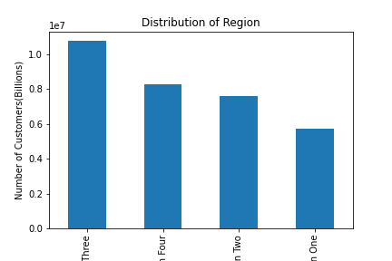
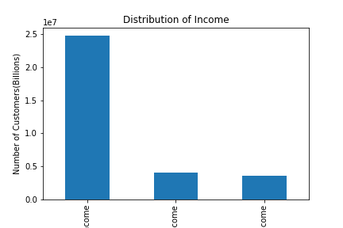
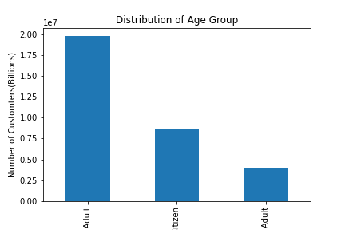
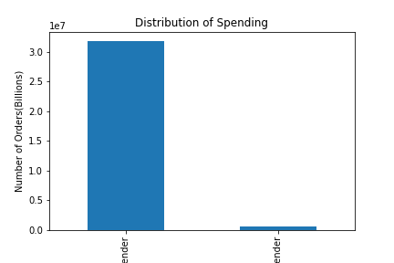
 |  |  |  | Title page

Visualisations

In this tab you should include all the visualtions from Exercises 4.9 and 4.10, alongside the questions from the project brief that they answer. Include any commentary on the relationship between different variables.

 | The sales team needs to know what the busiest days of the week and hours of the day are (i.e., the days and times with the most orders) in order to schedule ads at times when there are fewer orders.

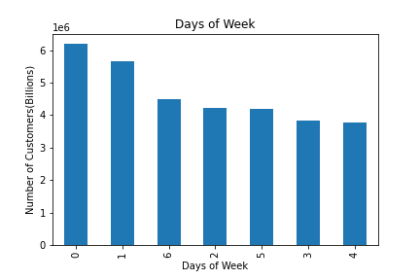
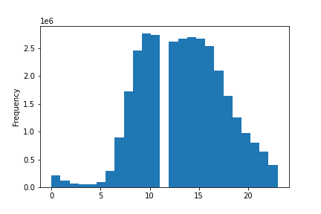

 |  | These charts show that Sunday and Monday are the days where we get the most customers, and the hours 8AM to 5PM (working hours) are when people order most

 | They also want to know whether there are particular times of the day when people spend the most money, as this might inform the type of products they advertise at these times.

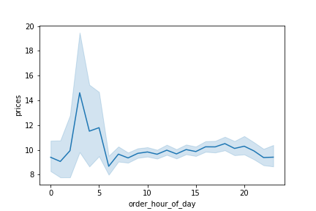

 |  | These charts show that people spend the most money from 0-5AM

 | The marketing and sales teams are particularly interested in the different types of

 | customers in their system and how their ordering behaviors differ. For example:
-------------------
 |  | What’s the distribution among users in regards to their brand loyalty?

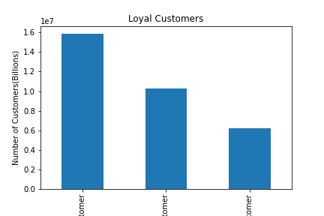

 | Are there differences in ordering habits based on a customer’s region?

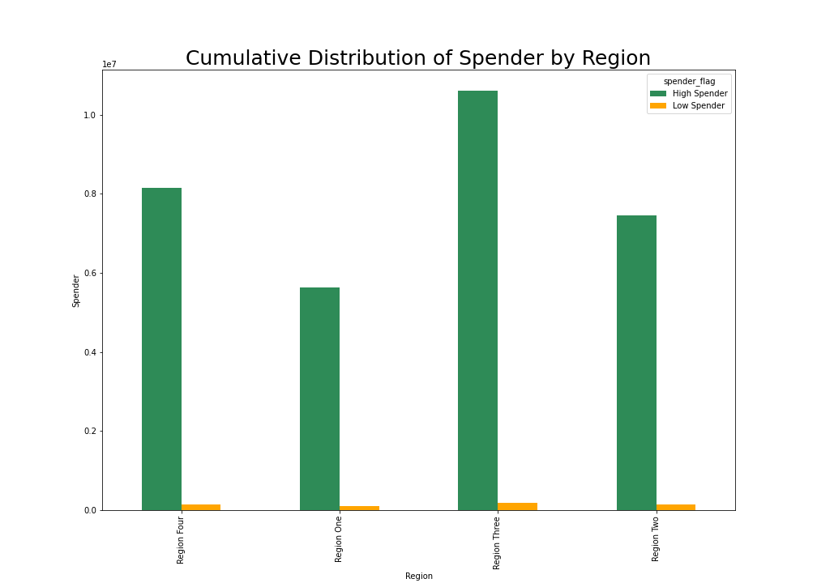
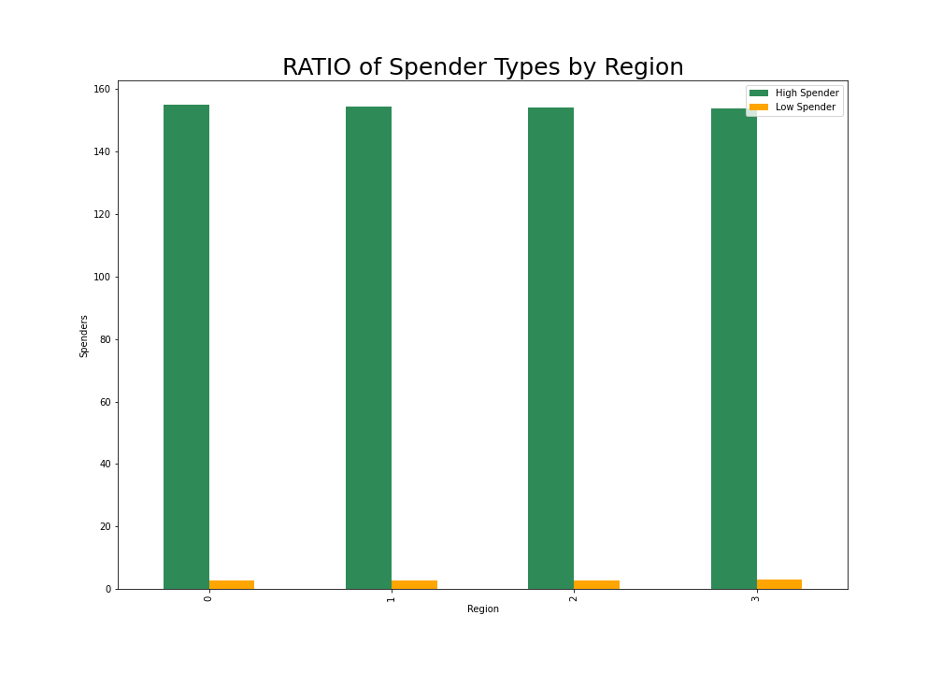

 | Is there a connection between age and family status in terms of ordering habits? What different classifications does the demographic information suggest?

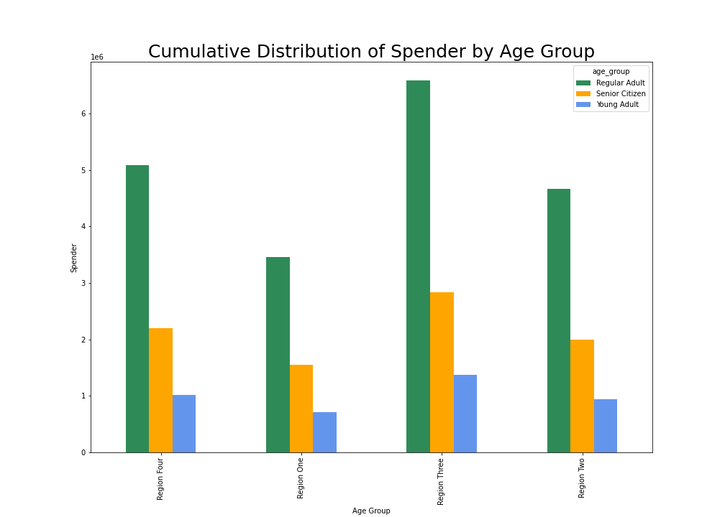

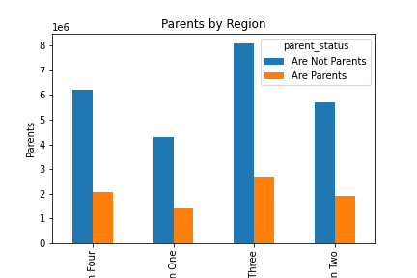

 |  |  | Other Distributions

7. Recommendations
 | Title page

Recommendations

In this tab you should include any recommendations you would made to Instcart in terms of their marketing strategy based on the questions posed in the brief. Every key question has been covered in the Tasks of the Exercises - here you need to add an item - a visualisation or table/crosstable that is showing the answer in the data, acompanied by a comment from you. Please, list the questions below and add the answer underneath.

The sales team needs to know what the busiest days of the week and hours of the day are (i.e., the days and times with the most orders) in order to schedule ads at times when there are fewer orders.
Reccomendation: As shows in the visuals, target ads for during not busy hours

They also want to know whether there are particular times of the day when people spend the most money, as this might inform the type of products they advertise at these times.
Reccomedation: Encourace spending the pricier products during times (show in chart) when people are spending a lot

What differences can you find in ordering habits of different customer profiles?
Reccomendation: Since young adults are spending the least, products that they'd be interested in should be targeted more

What’s the distribution among users in regards to their brand loyalty (i.e., how often do they return to Instacart)?
Reccomendation: Since new and regular customers have lower loyalty numbers, marketing should focus on keeping those groups

Are there differences in order habits based on a customer's loyalty status?
Reccomendation: Even though new and regular customers have lower loyalty, their numbers are consistently higher than loyal customers. Targeting them for retenetion is a plan of action

Is there a connection between age and family status in terms of ordering habits?
Reccomednation: As we have less customers that are parents, targeting ads to parents might increase numbers

What different classifications does the demographic information suggest? Age? Income? Certain types of goods? Family status?
Reccomendation: high-range products for families with more income should be targeted whereas low-range products should be targeted only at those who can afford them. And since young adults are spending the least, products that they'd be interested in should be targeted more

